Sheet1
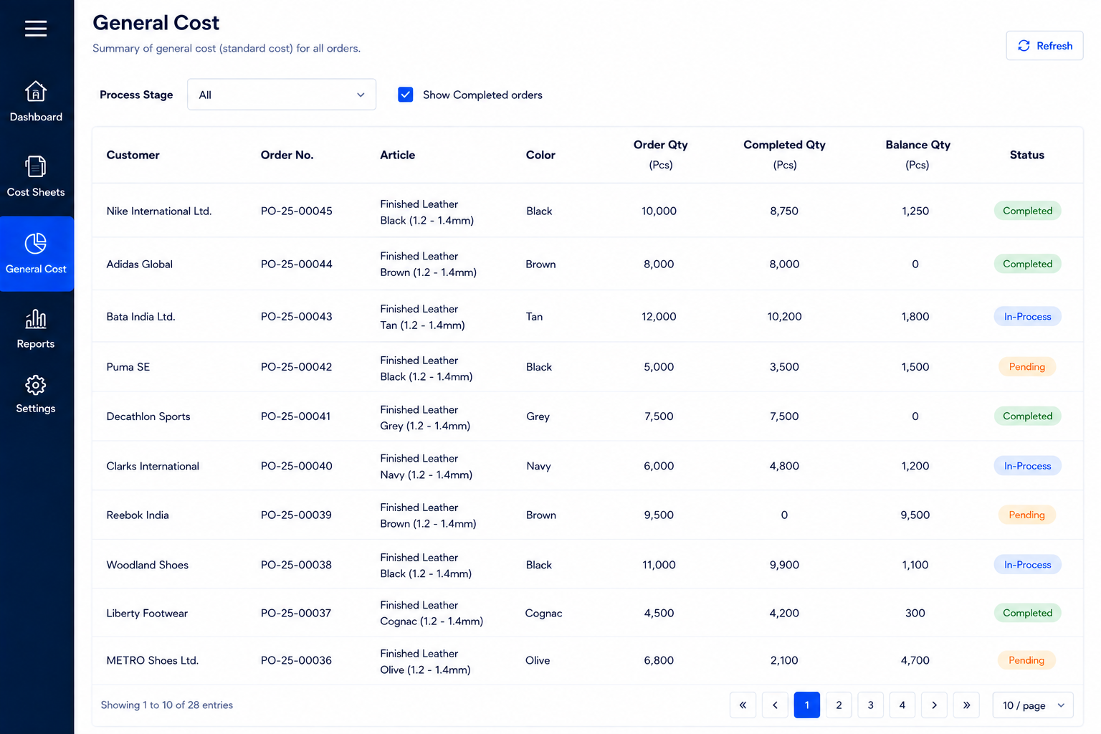

1 | Change order-qty to planned-qty in the column heading

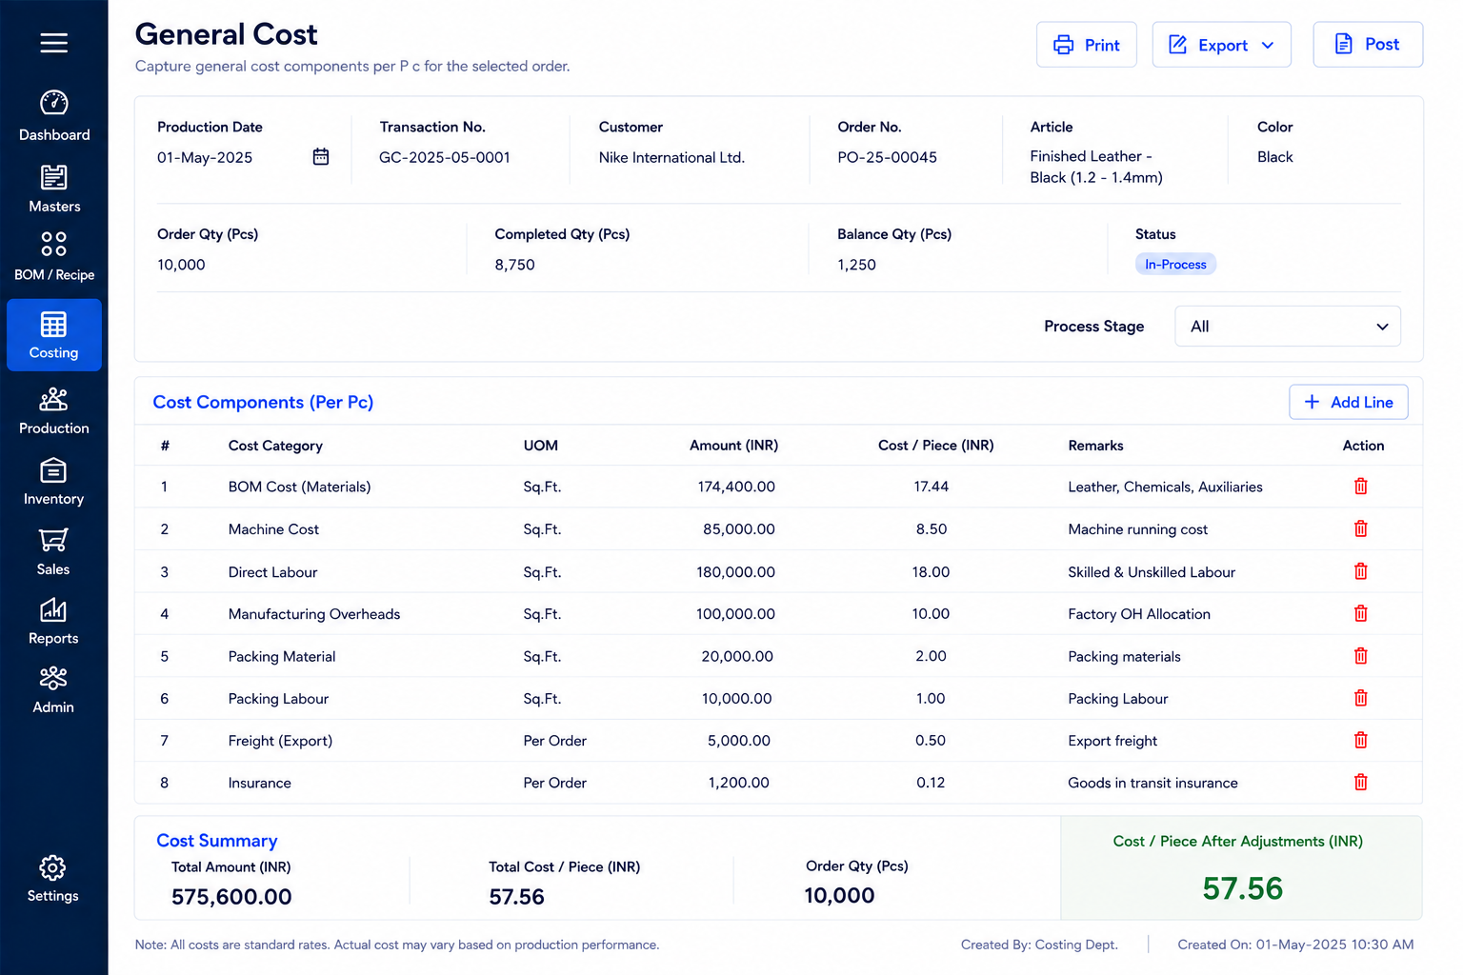

1 | Change order-qty to planned-qty in the header (populate from production plan)
2 | Add Ouput-qty in the header (populate from production output - non editable)
3 | Completed-qty = cumulative sum of production-qty of the order-no selected
3 | Balance-qty = Planned-qty-Completed-qty

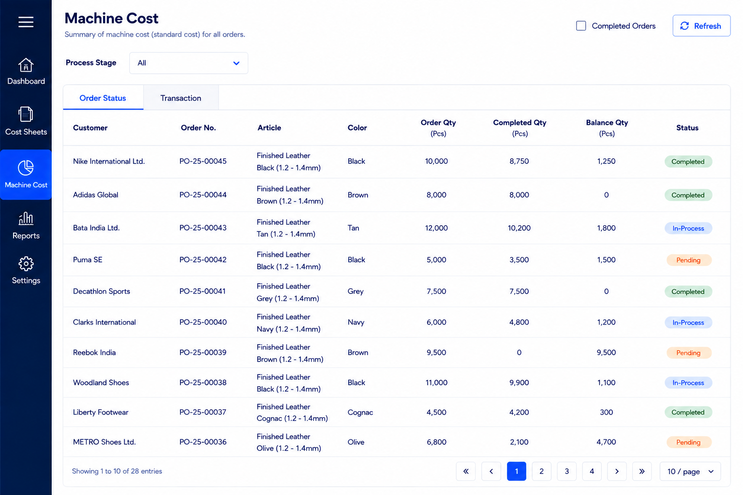

1 | Change order-qty to planned-qty in the column heading

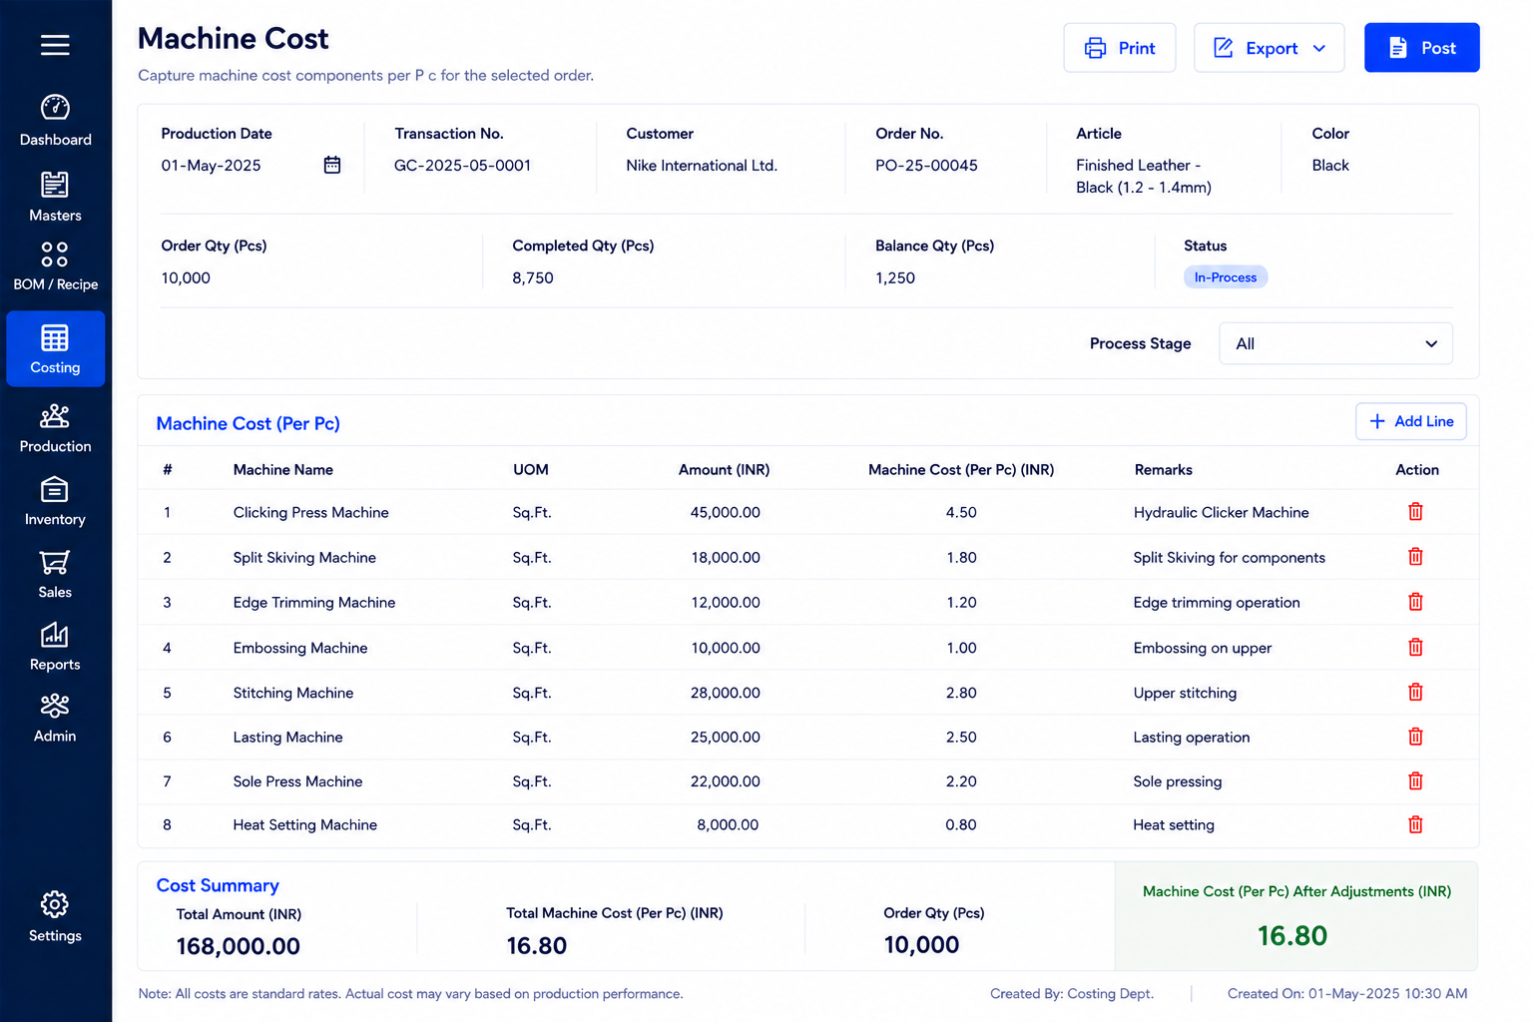

1 | Change order-qty to planned-qty in the header (populate from production plan)
2 | Add Ouput-qty in the header (populate from production output - non editable)
3 | Completed-qty = cumulative sum of production-qty of the order-no selected
3 | Balance-qty = Planned-qty-Completed-qty

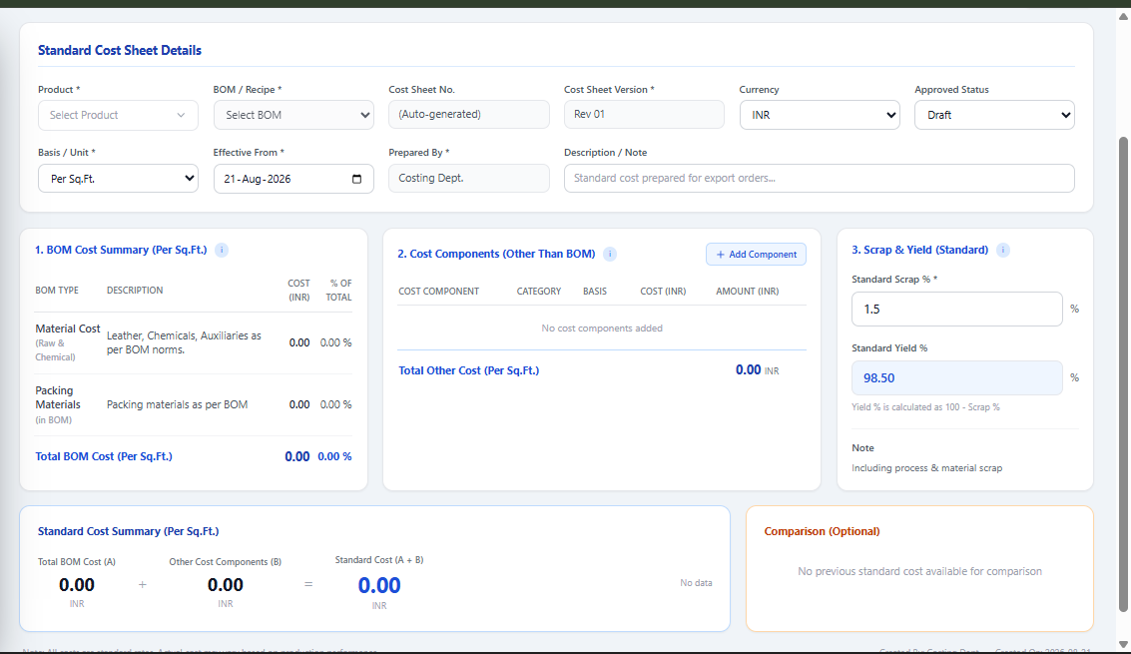

1 | remove action column from cost-component section
2 | Change Standard Cost Summary (Per Sq.ft) as Standard Cost Summary (Per Piece)
3 | Change Comparison(optional) as Order Cost summary
4 | Remove all captions inside Comparison(optional) section and add captions Completed Sq.ft / Cost Per Sq.ft / Selling Price Per Sq.ft / Variance Cost per Sq.ft
5 | Add status in the header (In-process / Completed)
6 | remove Basis/UOM from header
7 | remove cost sheet version from header

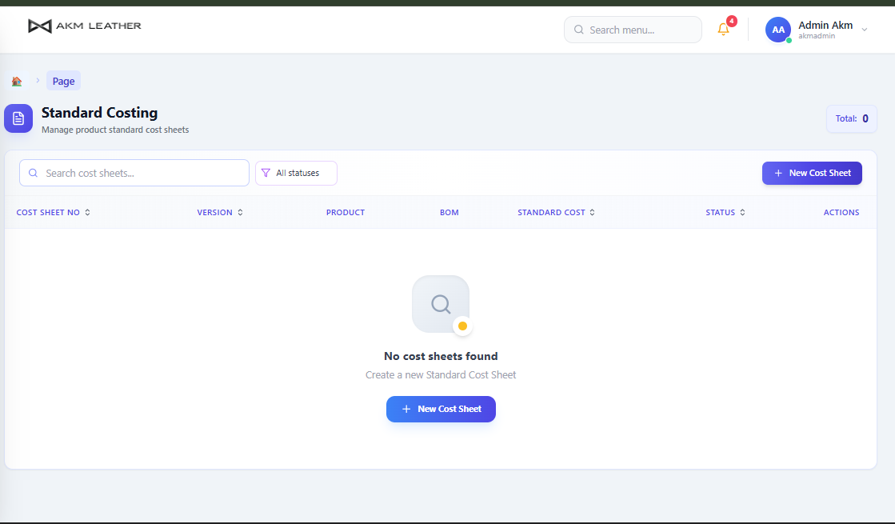

1 | Add filters in the header - Customer / Article / Color
2 | remove all existing columns
3 | Add columns
3.1 | Customer
3.2 | Order-No | Populate sales order
3.3 | Aricle
3.4 | Color
3.5 | Order-qty Sqft
3.6 | Completed qty Sq.ft | populate from production entry
3.7 | Cost per Sqft | Total cost (material cost+machine cost+general cost) / Completed qty sq.ft )
3.8 | Selling Price per Sqft | poulate from sales-order
3.9 | Variance per sq.ft | Cost per sq.ft - selling price per sq.ft

